Pin-map
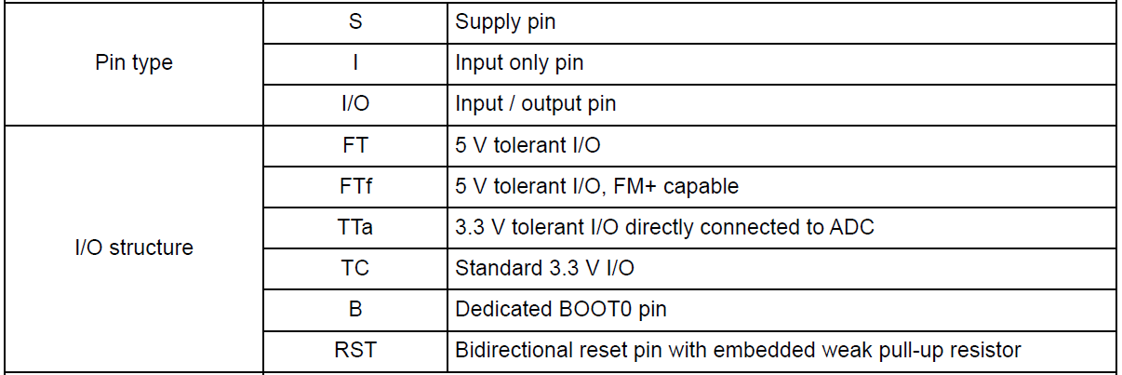
Plasma_Gen_V1.0_20171227.ioc
STM32F070RBT6 |  |  |  |  |  |  |  |  |  | TIM Clock |  |  |  |  |  |  | TIM Clock
Flash |  | 128 | Kbytes |  |  |  |  |  |  | SystemCoreClock | 48000000 | HCLK |  |  |  |  | SystemCoreClock | 48000000 | HCLK
SRAM |  | 16 | Kbytes |  |  |  |  |  |  | PCLK1 | 48000000 | HCLK / APB1 prescaler |  |  |  |  | PCLK1 | 48000000 | HCLK / APB1 prescaler
Frequency |  | 48 | MHz | max |  |  |  |  |  | TIM clock | 48000000 | PCLK1 x 1 |  |  |  |  | TIM clock | 48000000 | PCLK1 x 1
Operating Voltage |  | 2.4 ~ 3.6 | V |  |  |  |  |  |  | TIM counter clock | 16000000 |  |  |  |  |  | TIM counter clock | 16000000
Package |  | LQFP64 |  |  |  |  |  |  |  | Prescaler | 2 | (TIM clock /TIM counter clock) - 1 |  |  |  |  | Prescaler | 2 | (TIM clock /TIM counter clock) - 1
 |  |  | ADC | 8 |  |  |  |  |  | TIM output clock | 80000 |  |  |  |  |  | TIM output clock | 80000
 |  |  | GPIO_IN | 8 |  |  |  |  |  | period (ARR) | 199.0 | (TIM counter clock / TIM output clock) - 1 |  |  |  |  | period (ARR) | 199.0 | (TIM counter clock / TIM output clock) - 1
 |  |  | GPIO_OUT | 20 |  |  |  |  |  | Duty | 50 |  |  |  |  |  | Duty | 50
 |  |  | SPI | 1 |  |  |  |  |  | Pulse | 99.5 |  |  |  |  |  | Pulse | 99.5
 |  |  | USART1_TX | 1 |  |  |  |  |  | TIM output Clock T | 0.0000125 |  |  |  |  |  | TIM output Clock T | 0.0000125

PIN No |  | PIN name | Pin Function |  | RF Gen |  |  |  |  | Cube |  | Pipette V1.0 |  |  |  |  | Cube |  | Plasma LF Gen V1.0
LQFP64 | I/O |  | Alternate | Additional | Function | GPIO | Off-page | Function |  | Function | GPIO | Off-page | Function | Active | Other | Comment | Function | GPIO | Off-page | Function | Active | Other
1 | S | VDD | Digital power supply |  |  |  | +3.3V
2 | TC | PC13 | - | WKUP2 |  |  |  |  |  | GPIO_MODE_ANALOG | GPIO_NOPULL | - | - | - |  |  | GPIO_MODE_ANALOG | GPIO_NOPULL | - | - | -
3 | TC | PC14 | - | OSC32_IN |  |  | 32.768KHz |  |  | GPIO_MODE_ANALOG | GPIO_NOPULL | - | - | - |  |  | OSC32_IN | GPIO_NOPULL | - | 32.768KHz | -
4 | TC | PC15 | - | OSC32_OUT |  |  | 32.768KHz |  |  | GPIO_MODE_ANALOG | GPIO_NOPULL | - | - | - |  |  | OSC32_OUT | GPIO_NOPULL | - | 32.768KHz | -
5 | FT | PF0 | I2C1_SDA | OSC_IN |  |  | 8MHz | 8MHz OSC |  | GPIO_MODE_ANALOG | GPIO_NOPULL | - | - | - |  |  | OSC_IN | GPIO_NOPULL | - | 8.0MHz | -
6 | FT | PF1 | I2C1_SCL | OSC_OUT |  |  | 8MHz |  |  | GPIO_MODE_ANALOG | GPIO_NOPULL | - | - | - |  |  | OSC_OUT | GPIO_NOPULL | - | 8.0MHz | -
7 | RST | NRST | Device reset(active low) |  |  |  | NRST |  |  | NRST | - | NRST | Device Reset | LOW |  |  | NRST | - | NRST | Device Reset | LOW
8 | TTa | PC0 | - | ADC_IN10 | ADC_IN10 | No-PULL | VDC_IN_AD | +48 input Voltage monitor | Under INPUT Voltage : 40V 이하 Over INPUT Voltage : 56V 이상 | GPIO_EXTI0_Rising/Falling | No-PULL | GND_JACK | GND Jack detect | HIGH |  | Low 상태에서 High detect시 GND JACK 인식 | ADC_IN10 | No-PULL | VDC_IN_AD | - | -
9 | TTa | PC1 | - | ADC_IN11 | ADC_IN11 | No-PULL | VDC_OUT_AD | Buck output Voltage monitor | Over OUTPUT Voltage : 48V 이상 | GPIO_OUT | No-PULL | STA_LED_B | POWER LED-Blue | LOW |  |  | ADC_IN11 | No-PULL | PW_IS_AD | - | -
10 | TTa | PC2 | SPI2_MISO | ADC_IN12 | ADC_IN12 | No-PULL | PW_IS_AD | 과전류 상태 | PW_IS_AD : 1.81V 이상(ADC : 2246) | GPIO_OUT | No-PULL | STA_LED_G | POWER LED-Green | LOW |  |  | ADC_IN12 | No-PULL | FET_T_AD | - | -
11 | TTa | PC3 | SPI2_MOSI | ADC_IN13 | ADC_IN13 | No-PULL | FAN_PW_AD | FAN 동작 상태 | FAN_PW_AD : 0.83V 이하(ADC : 1029) | GPIO_OUT | No-PULL | STA_LED_R | POWER LED-Red | LOW |  |  | ADC_IN13 | No-PULL | FAN_PW_AD |  | -
12 | S | VSSA | Analog ground |  |  |  | GND
13 | S | VDDA | Analog power supply |  |  |  | +3.3V
14 | TTa | PA0 | USART2_CTS, USART4_TX | ADC_IN0 | ADC_IN0 | No-PULL | RV_CT_AD | Reflected Power monitor |  | GPIO_MODE_ANALOG | GPIO_NOPULL | - | - | - |  |  | GPIO_MODE_ANALOG | GPIO_NOPULL | - | - | -
15 | TTa | PA1 | USART2_RTS, TIM15_CH1N, USART4_RX, | ADC_IN1 | ADC_IN1 | No-PULL | FW_CT_AD | Forward Power monitor |  | GPIO_IN | No-PULL | HW_ID0 | HW Version | Open |  |  | GPIO_IN | No-PULL | FW_CT_AD
16 | TTa | PA2 | USART2_TX, TIM15_CH1 | ADC_IN2 | ADC_IN2 | No-PULL | FET_T_AD | RF Temperature | RF Transistor Over(65℃) temp 상태 | GPIO_IN | No-PULL | HW_ID1 | HW Version | Open
17 | TTa | PA3 | USART2_RX, TIM15_CH2 | ADC_IN3 |  |  |  |  |  | GPIO_MODE_ANALOG | GPIO_NOPULL | - | - | - |  |  | GPIO_MODE_ANALOG | GPIO_NOPULL | - | - | -
18 | S | VSS | Ground |  |  |  | GND
19 | S | VDD | Digital power supply |  |  |  | +3.3V
20 | TTa | PA4 | SPI1_NSS, TIM14_CH1, USART2_CK,USB_NOE | ADC_IN4 |  |  |  |  |  | GPIO_MODE_ANALOG | GPIO_NOPULL | - | - | - |  |  | GPIO_MODE_ANALOG | GPIO_NOPULL | - | - | -
21 | TTa | PA5 | SPI1_SCK | ADC_IN5 |  |  |  |  |  | GPIO_MODE_ANALOG | GPIO_NOPULL | - | - | - |  |  | GPIO_MODE_ANALOG | GPIO_NOPULL | - | - | -
22 | TTa | PA6 | SPI1_MISO, TIM3_CH1, TIM1_BKIN, TIM16_CH1, EVENTOUT, USART3_CTS | ADC_IN6 | TIM16_CH1 | PULL-DOWN | PA6_FAN_PWM | 25KHz | FAN 동작 제어 | GPIO_MODE_ANALOG | GPIO_NOPULL | - | - | - |  |  | TIM3_CH1 | No-PULL | PA6_FAN_PWR | - | - | 기본은 GPIO_EXTI6으로 설정 | FAN_PWR
23 | TTa | PA7 | SPI1_MOSI, TIM3_CH2, TIM14_CH1, TIM1_CH1N, TIM17_CH1, EVENTOUT | ADC_IN7 |  |  |  |  |  | ADC_IN7 | No-PULL | BAT_ADC | Battery | - |  |  | TIM3_CH2 | No-PULL
24 | TTa | PC4 | EVENTOUT, USART3_TX | ADC_IN14 |  |  |  |  |  | ADC_IN14 | No-PULL | BATT_THERM | Battery | - |  |  | GPIO_MODE_ANALOG | GPIO_NOPULL | - | - | -
25 | TTa | PC5 | USART3_RX | ADC_IN15, WKUP5 |  |  |  |  |  | GPIO_EXTI5_Rising | No-PULL | KEY_PWR | Power On key | HIGH |  | Floating 상태에서 High input시 동작 | GPIO_MODE_ANALOG | GPIO_NOPULL | - | - | -
26 | TTa | PB0 | TIM3_CH3, TIM1_CH2N, EVENTOUT, USART3_CK | ADC_IN8 | GPIO_OUT | PULL-DOWN | DDS_SLEEP | HIGH : Power Down |  | GPIO_OUT | No-PULL | PW_CTRL | PS_HOLD | HIGH |  |  | GPIO_OUT | PULL-DOWN | DDS_SLEEP | - | HIGH | DAC power down
27 | TTa | PB1 | TIM3_CH4, USART3_RTS, TIM14_CH1, TIM1_CH3N | ADC_IN9 | GPIO_OUT | PULL-DOWN | DDS_RESET | HIGH : Reset |  | GPIO_IN | No-PULL | CHG_STA | Charger | - | ADC_IN9 |  | GPIO_OUT | PULL-DOWN | DDS_RESET | - | HIGH
28 | FT | PB2 | - | - | GPIO_OUT | PULL-UP | DDS_FSYNC | Low Active |  | GPIO_MODE_ANALOG | GPIO_NOPULL | - | - | - |  |  | GPIO_OUT | PULL-UP | DDS_FSYNC | - | LOW
29 | FT | PB10 | SPI2_SCK, USART3_TX | - | I2C2_SCL | PULL-UP | DDS_CLK |  |  | GPIO_MODE_ANALOG | GPIO_NOPULL | - | - | - |  |  | I2C_SCL | GPIO_NOPULL | DDS_CLK | - | -
30 | FT | PB11 | USART3_RX, EVENTOUT, I2C2_SDA | - | I2C2_SDA | PULL-UP | DDS_DATA |  |  | GPIO_MODE_ANALOG | GPIO_NOPULL | - | - | - |  |  | I2C_SDA | GPIO_NOPULL | DDS_DATA | - | -
31 | S | VSS | Ground |  |  |  | GND
32 | S | VDD | Digital power supply |  |  |  | +3.3V
33 | FT | PB12 | TIM1_BKIN, TIM15_BKIN, SPI2_NSS, EVENTOUT, USART3_CK | - | GPIO_EXTI12 | PULL-UP | PB12_LIMIT_SW_A | Low Active | RF Cable detect error | GPIO_OUT | PULL-DOWN | CHG_CTRL | Charger | HIGH |  | Battery Temp over시 High | GPIO_EXTI12_Rising&Falling | PULL-UP | PB12_LIMIT_SW_A | - | HIGH | HIGH : interrupt Low : normal State
34 | FTf | PB13 | SPI2_SCK, I2C2_SCL, TIM1_CH1N, USART3_CTS | - | GPIO_EXTI13 | PULL-UP | PB13_LIMIT_SW_B | Low Active | Case detect error | GPIO_OUT | PULL-DOWN | GAS_EN | Gas S/V On Signal | HIGH |  |  | GPIO_EXTI13_Rising&Falling | PULL-UP | PB13_LIMIT_SW_B | - | HIGH | HIGH : interrupt Low : normal State
35 | FTf | PB14 | SPI2_MISO, I2C2_SDA, TIM1_CH2N, TIM15_CH1, USART3_RTS | - | GPIO_IN | PULL-UP | JP_BIAS |  |  | GPIO_OUT | No-PULL | LED_HIGH | Plsma Level High | LOW
36 | FT | PB15 | SPI2_MOSI, TIM1_CH3N, TIM15_CH1N, TIM15_CH2 | WKUP7, RTC_REFIN |  |  |  |  |  | GPIO_OUT | No-PULL | LED_MED | Plsma Level Middle | LOW
37 | FT | PC6 | TIM3_CH1 | - | TIM3_CH1 | PULL-DOWN | PC6_PW_PWM | 50KHz |  | GPIO_OUT | No-PULL | LED_LOW | Plsma Level Low | LOW
38 | FT | PC7 | TIM3_CH2 | - | GPIO_OUT | PULL-DOWN | PC7_PWR_ENA | RF 48V 전원 control |  | GPIO_EXTI7_Rising/Falling | No-PULL | USB_DET | USB | HIGH | GPIO_IN | Floating 상태에서 High input시 동작
39 | FT | PC8 | TIM3_CH3 | - | GPIO_OUT | PULL-DOWN | PC8_PRE_AMP_ENA | RF PCB의 Bias control |  | GPIO_MODE_ANALOG | GPIO_NOPULL | - | - | -
40 | FT | PC9 | TIM3_CH4 | - |  |  |  |  |  | GPIO_MODE_ANALOG | GPIO_NOPULL | - | - | -
41 | FT | PA8 | USART1_CK, TIM1_CH1, EVENTOUT, MCO | - |  |  | PULSE_OUT1 |  |  | TIM1_CH1 | No-PULL | PULSE_OUT1 | Plasma | HIGH |  |  | TIM1_CH1 | No-PULL | PULSE_OUT1 | Plasma | HIGH | Plasma Pulse 1
42 | FT | PA9 | USART1_TX, TIM1_CH2, TIM15_BKIN, I2C1_SCL | - | USART1_TX | n/a | USART1_TX | LCD와 통신 |  | USART1_TX | n/a | USART1_TX | RS-232 external interface | DATA |  |  | USART1_TX | n/a | USART1_TX | RS-232 external interface | DATA | RS-232
43 | FT | PA10 | USART1_RX, TIM1_CH3, TIM17_BKIN, I2C1_SDA | - | USART1_RX | n/a | USART1_RX | LCD와 통신 |  | USART1_RX | n/a | USART1_RX | RS-232 external interface | DATA |  |  | USART1_RX | n/a | USART1_RX | RS-232 external interface | DATA | RS-232
44 | FT | PA11 | USART1_CTS, TIM1_CH4, EVENTOUT | USB_DM |  |  | PULSE_OUT2 |  |  | TIM1_CH4 | No-PULL | PULSE_OUT2 | Plasma | HIGH |  |  | TIM1_CH4 | No-PULL | PULSE_OUT2 | Plasma | HIGH | Plasma Pulse 1
45 | FT | PA12 | USART1_RTS, TIM1_ETR, EVENTOUT | USB_DP |  |  |  |  |  | GPIO_OUT | PULL-DOWN | EN_+8V | Boost | HIGH |  |  | GPIO_MODE_ANALOG | GPIO_NOPULL | - | - | -
46 | FT | PA13 | IR_OUT, SWDIO, USB_NOE | - |  |  | SYS_SWDIO |  |  | SYS_SWDIO | n/a | SYS_SWDIO | SW Download | DATA |  |  | SYS_SWDIO | n/a | SYS_SWDIO | SW Download | DATA
47 | S | VSS | Ground |  |  |  | GND
48 | S | VDD | Digital power supply |  |  |  | +3.3V
49 | FT | PA14 | USART2_TX, SWCLK | - |  |  | SYS_SWCLK |  |  | SYS_SWCLK | n/a | SYS_SWCLK | SW Download | CLK |  |  | SYS_SWCLK | n/a | SYS_SWCLK | SW Download | CLK
50 | FT | PA15 | SPI1_NSS, USART2_RX, USART4_RTS, EVENTOUT | - |  |  |  |  |  | GPIO_IN | No-PULL | USB_ID | USB | HIGH | GPIO_EXTI15_Falling | RS-232를 USB CON으로 사용시 기능 지원 예정 | GPIO_MODE_ANALOG | GPIO_NOPULL | - | - | -
51 | FT | PC10 | USART3_TX, USART4_TX | - |  |  |  |  |  | GPIO_MODE_ANALOG | GPIO_NOPULL | - | - | - |  |  | GPIO_MODE_ANALOG | GPIO_NOPULL | - | - | -
52 | FT | PC11 | USART3_RX, USART4_RX | - |  |  |  |  |  | GPIO_MODE_ANALOG | GPIO_NOPULL | - | - | - |  |  | GPIO_MODE_ANALOG | GPIO_NOPULL | - | - | -
53 | FT | PC12 | USART3_CK, USART4_CK | - |  |  |  |  |  | GPIO_MODE_ANALOG | GPIO_NOPULL | - | - | - |  |  | GPIO_MODE_ANALOG | GPIO_NOPULL | - | - | -
54 | FT | PD2 | TIM3_ETR, USART3_RTS | - |  |  |  |  |  | GPIO_MODE_ANALOG | GPIO_NOPULL | - | - | - |  |  | GPIO_MODE_ANALOG | GPIO_NOPULL | - | - | -
55 | FT | PB3 | SPI1_SCK, EVENTOUT | - | GPIO_OUT | No-PULL | COM_LED | Low Active |  | GPIO_MODE_ANALOG | GPIO_NOPULL | - | - | - |  |  | GPIO_MODE_ANALOG | GPIO_NOPULL | - | - | -
56 | FT | PB4 | SPI1_MISO, TIM17_BKIN, TIM3_CH1, EVENTOUT | - | GPIO_OUT | No-PULL | WDT_LED | Low Active |  | GPIO_EXTI4_Falling | PULL-UP | KEY_DOWN | Plasma Level control | LOW |  | Normal High에서 Key input시 Low Active | GPIO_MODE_ANALOG | GPIO_NOPULL | - | - | -
57 | FT | PB5 | SPI1_MOSI, I2C1_SMBA, TIM16_BKIN, TIM3_CH2 | WKUP6 |  |  |  |  |  | GPIO_MODE_ANALOG | GPIO_NOPULL | - | - | - |  |  | GPIO_MODE_ANALOG | GPIO_NOPULL | - | - | -
58 | FTf | PB6 | I2C1_SCL, USART1_TX, TIM16_CH1N | - | GPIO_OUT | PULL-DOWN | PB6_BIAS_ON | HIGH Active |  | GPIO_EXTI6_Falling | PULL-UP | KEY_UP | Plasma Level control | LOW |  | Normal High에서 Key input시 Low Active | GPIO_OUT | PULL-UP | PB6_BIAS_ON |  | HIGH
59 | FTf | PB7 | I2C1_SDA, USART1_RX, USART4_CTS, TIM17_CH1N | - | GPIO_OUT | PULL-UP | PB7_GPIO_ON | Low Active |  | GPIO_MODE_ANALOG | GPIO_NOPULL | - | - | - |  |  | GPIO_OUT | PULL-UP | PB7_GPIO_ON |  | LOW
60 | B | BOOT0 | Boot memory selection |  |  |  | GND |  |  | GND |  | GND |  |  |  |  | GND |  | GND
61 | FTf | PB8 | I2C1_SCL, TIM16_CH1 | - |  |  |  |  |  | GPIO_OUT | No-PULL | OP_LED | Plasma On | HIGH | TIM16_CH1 | KEY_OP Input시 상태 변경 | GPIO_OUT | PULL-UP | PWR_LED | POWER LED-Green | LOW | Power On 시 무조건 ON
62 | FTf | PB9 | SPI2_NSS, I2C1_SDA, IR_OUT, TIM17_CH1, EVENTOUT | - | GPIO_OUT | No-PULL | PLA_ON_LED | Low Active |  | GPIO_EXTI9_Falling | PULL-UP | KEY_OP | Plasma On | LOW |  | Normal High에서 Key input시 Low Active | GPIO_OUT | PULL-UP | PLA_ON_LED | Plasma On | LOW | Plasma On시 ON
63 | S | VSS | Ground |  |  |  | GND
64 | S | VDD | Digital power supply |  |  |  | +3.3V

 |  |  |  |  |  |  |  |  |  | GPIO_EXTI0_Rising/Falling | No-PULL | GND_JACK | GND Jack detect | HIGH
 |  |  |  |  |  |  |  |  |  | GPIO_EXTI4_Falling | PULL-UP | KEY_DOWN | Plasma Level control | LOW
 |  |  |  |  |  |  |  |  |  | GPIO_EXTI5_Rising | No-PULL | KEY_PWR | Power On key | HIGH
 |  |  |  |  |  |  |  |  |  | GPIO_EXTI6_Falling | PULL-UP | KEY_UP | Plasma Level control | LOW
 |  |  |  |  |  |  |  |  |  | GPIO_EXTI7_Rising/Falling | No-PULL | USB_DET | USB | HIGH
 |  |  |  |  |  |  |  |  |  | GPIO_EXTI9_Falling | PULL-UP | KEY_OP | Plasma On | LOW

JTAG
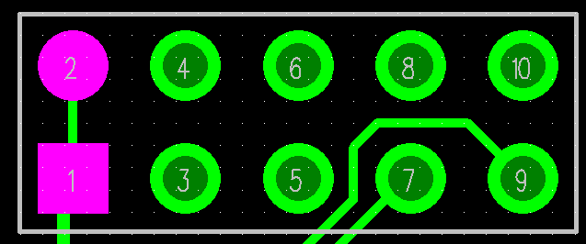
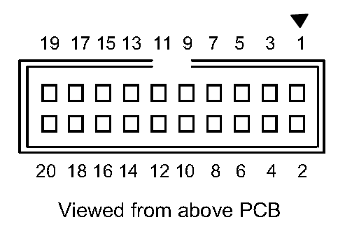
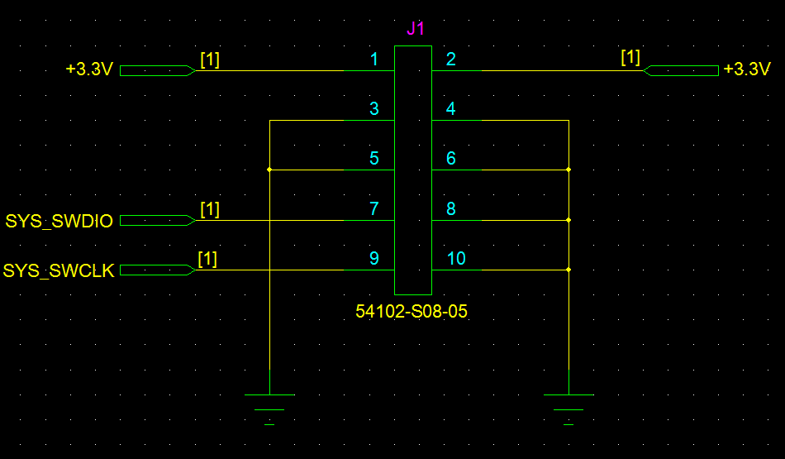
J1
PIN | ST_LINK/V2 |  | LF_GEN V1.0 |  | PIN | ST_LINK/V2 |  | LF_GEN V1.0
 | Funtion | SWD | Funtion | Off-page |  | MCU | SWD | Funtion | Off-page
1 | Target VCC | Target VCC | VCC | +3.3C | 2 | Target VCC | Target VCC | VCC | +3.3C
3 | JTAG TRST | GND(2) | GND | GND | 4 | GND | GND(3) | GND | GND
5 | JTAG TDO | GND(2) | GND | GND | 6 | GND | GND(3) | GND | GND
7 | JTAG TMS, SW IO | SWDIO | SWDIO | SYS_SWDIO | 8 | GND | GND(3) | GND | GND
9 | JTAG TCK, SW CLK | SWCLK | SWCLK | SYS_SWCLK | 10 | GND | GND(3) | GND | GND
11 | NC | NC |  |  | 12 | GND | GND(3)
13 | JTAG TDI, SWO | TRACESWO(4) |  |  | 14 | GND | GND(3)
15 | NRST | NRST |  |  | 16 | GND | GND(3)
17 | NC | NC |  |  | 18 | GND | GND(3)
19 | VDD (3.3V)(5) | NC |  |  | 20 | GND | GND(3)
Target VCC : Board의 VCC를 ST-LINK/V2와 연결한다.
GND(2) : Noise reduction용 GND
GND(3) : Power GND
TRACESWO : Optional: for Serial Wire Viewer (SWV) trace

